Final Document
ETO Year 2 UPS Assignment 942.642

Levi | Done? | Lewis | Done? | Nick | Done? | Toby | Done? | Combined
2 | ✔️ | 4 | ✔️ | 3 | ✔️ | 5 | ✔️ | 1,5
6 |  | 8 |  | 7 |  | 9
10 |  | 12 |  | 11 |  | 13
14 |  | 16 |  | 15 |  | 17
1. A list of the known faults including a list of three other faults found during your investigation of the UPS
Description
Fault 1 | Capacitor as part of the DC circuit of the UPS has ruptured and gone open-circuit, causing the resultant waveform to have noticeable dips on scope

Fault 2 | Alarm indicator switch failure, alarms not operating due to transistor failure within the UPS.

Fault 3 | A change in frequency stability esulting from generator being loaded and unloaded. Frequency variation can cause erratic operation, data loss, system crashes and equipment damage.

Fault 4 | Changeover switch not correctly operating upon loss of power supply, as a transistor has catastrophically failed within the unit

Fault 5 | Visible corrosion on negative of battery terminals, indicating undercharging.

2. Make and model (of your choice) for the existing UPS including PDF manuals.
Eaton 9140 |  |  |  |  |  |  |  | Brochure
9kVA |  |  |  |  | 2006
On-line double conversion with PFC
Did not meet class requirements
3. Make and model (of your choice) for a new UPS including PDF manuals explaining why you have chosen this UPS.
Eaton 9155 Marine |  |  |  |  |  |  |  | Brochure
9kVA |  |  |  |  | 2015
On-line double conversion with PFC
Meets DNV/BV
Digital I/O for integration with AMS
Temperature Compensation for VRLA Batteries
4. Time to remove the existing UPS and to install the new UPS.
Removal 1. LOTO. Make sure the UPS system has no power flowing to it. 2. 2-3 personnel will be needed to remove the unit. 3. Remove the cover of the terminal box of the power cables with a screwdriver. 4. Disconnect the input cables from the proper terminals, and pull them through and out of the membrane glands at the bottom of the unit 5. Disconnect the conductors of the load cable to the proper terminals in the same section. 6. Disconnect the conductors of the external battery cabinet cable to the external battery +, - and PE terminals. 7. Fasten the cover of the terminal box with a screwdriver. 8. A jack or hoist will be needed to remove the old UPS unit. Installation 1. Make sure power is dead to the UPS systems. 2. 2-3 personnel required as the UPS and batteries are quite heavy, and a person to overlook the installation. 3. A jack or hoist is required to lift the unit into place. 4. Remove the plastic front cover of a transformer. 5. Remove the cover of the terminal box of the power cables with a screwdriver. Refer to the dimensional drawing for the correct location at the front of the unit. 6. Slide the cables through the membrane glands from the bottom of the unit. 7. Connect the input cables to the proper terminals. 8. Connect the conductors of the load cable to the proper terminals in the same section. 9. Connect the conductors of an external battery cabinet cable to the external battery +, - and PE terminals. Check for the correct polarity. 10. Fasten the cover of the terminal box with a screwdriver. 11. Fasten the plastic front cover of a transformer. Connecting of the UPS unit and the external battery cabinet 1. The EBC is recommended to place next to the UPS unit. 2. The required minimum distance for UPS unit and EBC is ten millimetres, which is also required distance between two EBCs. 3. Turn F1 battery breaker from the UPS unit in OFF position. 4. Check that the circuit breaker F3 of the EBC is in the OFF position

5. Additional electrical components required to install the new UPS.
The old UPS uses a manual bypass accessible on the main interface screen however the new UPS only offers a bypass which is automatic on overload or on UPS failure. This means a bypass switch will need to be installed externally for maintenance and bypass in an emergency situation. The cabling needed to install the UPS will not need to be changed as both devices have a hardwired connection and both operate on the same nominal voltage. Communication cabling for extra information about the status of the UPS will not need to be changed as both units use a RS232 cabling. Both units use 9Ah 12V maintenance free lead acid batteries however it is unclear if the batteries are the same dimensions so new batteries along with spares should be stocked when the new UPS is purchased.

6. Cost for the new UPS.
Unit | $4,236.93
S+H | $131.99
Tax | $741.47
Total | $5,110.39
7. Alarms required.
Fire alarm system
Ups capacity is overloaded
Tempreture overload alarm
Ups is on low battery state( Battery discharged)
Battery test failed
8. Electrical Design: present an electrical drawing
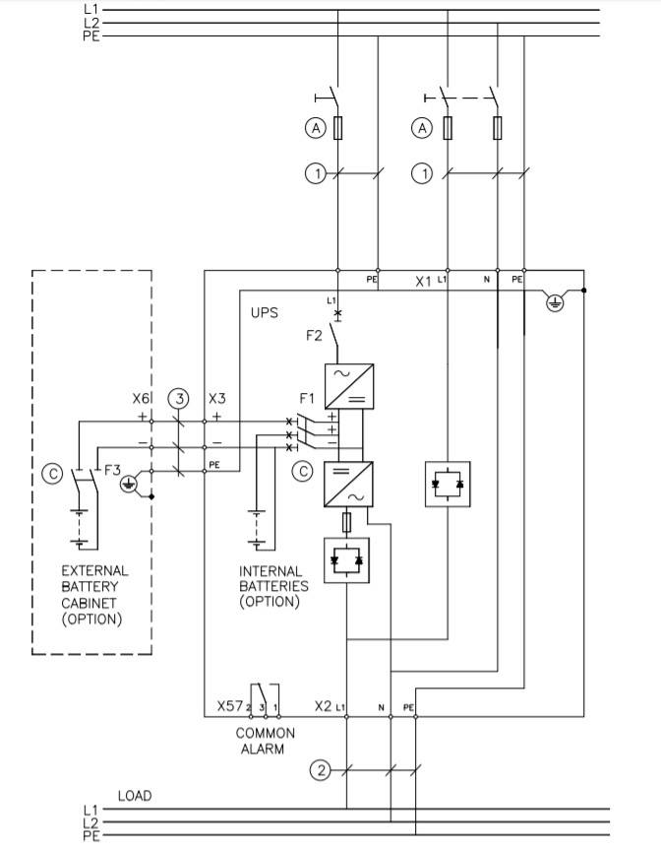

9. Personnel resource required.
As indicated within the manual some parts of the old and new UPS, such as the battery banks can be quite heavy and 2 personnel will be needed to install the unit however a third person should be present to overlook the replacement of the unit.

10. Fabrication/installation resource required.
Due to the different dimensions of the new UPS systems, the following fabrication and installation is required:
1. Removal of the old UPS system -- this will require a pellet jack to lift the 300 KG.
2. Fabrication of a bracket to house the new UPS and keep it fixed against the wall.
3. Installation of the new unit, this will also require a pellet jack for the 350 KG.
4. Modifications to the alarm management system for the new Digital I/O on the UPS unit.
5. A cable run of the new alarm management system Digital I/O -- Approx. 70 metres to ECR.

We estimate this work will take 2 days plus one day for commissioning and trials and require the vessel to be laid up during this time

11. Provision for pollution control for old batteries.
As stated on the manual Eaton uses sustainable and highly effcient manufacuting technology which in turn reduces the carbon footprint left by the UPS. With the Use of ABM technology batterys are only chrged when When neccecary hence reducing battery corrosion and prolonging battery service life by up to 50%. Like Most batterys used today the UPS uses lead acid betterys which has a very effecent recycle process. Most of the batterys finish their service intact and unharmed however are still treated as a hazoduies substance. When its life period is over and the batterys are recycled Polypropylene is recycled into more battery plastic. The sulfuric acid is collected and resold as commodity acid. The lead is smelted and returned back to batteries or applied to other uses of lead. to other uses of lead

12. Procurement resource required.
Pallet jack for maneuvering the UPS and batteries, (also metal framing for the UPS/batteries to sit in). Metal housing for the UPS/batteries Cable - FH series 600 - 1000V, 44A, Fire resistant. IEC 60331 Conductor Diameter(mm) = 3.1 Nominal OD over insulation(mm) = 15.0 Overall Diameter(mm) = 18.8 Minimum bending radius(mm) = 188 Approx weight(kg/km) = 553 Current Rating(Amps) = 56 Circuit Breaker - Schneider electric Single phase 50A circuit Breaker 1 pole Thermal magnetic Curve code K https://www.se.com/nz/en/product/A9F95150/ic60l---miniature-circuit-breaker---1p---50a---k-curve/

13. Commissioning resource required.
The new UPS offers a full system test on start up so commissioning the UPS should be automatic however testing of the bypass switch should be carried out prior to being in service. Start on battery is also available with the new UPS and operation on battery supply should also be tested.

14. Health and Safety resource required detailing permits.
Pre-Planning
 | Submission of changes to class registry
Stage 1 -- Fabrication and Preparation
 | Hot Work Permit -- Welding of steel structure to house new UPS
 | Disabling of Fire Suppression System
Stage 1 PPE Required
 | Welding equipment (visor, overalls, apron, steelcaps, bandana, respirator, hearing protection, gloves, sleeves)
Stage 2 -- Removal of Old UPS System
 | General Electical Work (Under 1000 Volts)
 | Working with Lift Machinery (Pellet Jack)
 | Handling of Dangerous Chemical Substances (VRLA Batteries)
 | Modification of Power Supplies
Stage 2 PPE Required
 | Chemical PPE (Visors, nitrile gloves, overalls, hydrogen gas detector)
Stage 3 -- Installation of New UPS System
 | General Electical Work (Under 1000 Volts)
 | Working with Lift Machinery (Pellet Jack)
 | Handling of Dangerous Chemical Substances (VRLA Batteries)
 | Modification of Power Supplies
Stage 3 PPE Required
 | Chemical PPE (Visors, nitrile gloves, overalls, hydrogen gas detector)
15. Vendor resource required.
Vendors often prefer that they send out their own installation specialtis to commsion the ups once installed . The vendor requires all work permits to and acces to job sites to be completed before work commences. They also require ful access to all areas of the ship that they work in. Vendors also require full ad complete paperwork describing the scope and areas of work and installations to ensure that the correct tools and machinery are used to install tand commsion the UPS. If vendors are not able to access the vessel due to circumstances such as it being offshore vendors need to be informed of the csopre of work and areas of work in roder to write up the correct paperwork with detailed instuctions for crew members on the vessel on how to correctly instal and commission the UPS.

16. Highlight any other items you may require by the office or personnel on‐board.
A pallet jack will be needed to both remove the old UPS and install the new one and move the batteries. May also need it to move the metal housing of the UPS. Metal rail/frame for the housing of the UPS and batteries. Circuit Breaker - Schneider electric single phase 50A circuit Breaker Cable - FH series 600 - 1000V, 44A, Fire resistant. IEC 60331

17. Testing and commissioning conclusions.
The UPS is required to operate for 30 minutes and the test should be for this amount of time or longer to ensure correct operation in an emergency scenario. The new UPS has audible alarms and 4 LEDs to indicate in alarm state, this should be observed during testing to ensure correct operation. A multimeter can be used to observe correct input/output voltages and currents.

